Script
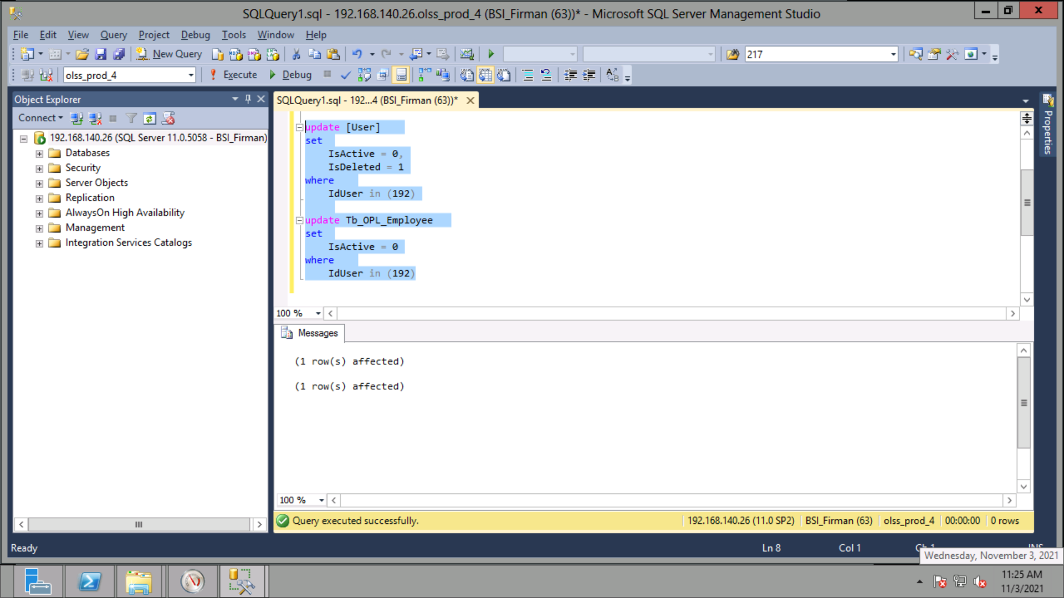
update [User]
set
 | IsActive = 0,
 | IsDeleted = 1
where
 | IdUser in (192)

update Tb_OPL_Employee
set
 | IsActive = 0
where
 | IdUser in (192)

